ASIL Determination
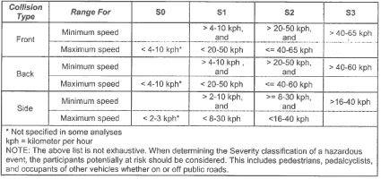
Severity | Exposure | Controllability
 |  | C1 | C2 | C3
S1 | E1 | QM | QM | QM
 | E2 | QM | QM | QM
 | E3 | QM | QM | A
 | E4 | QM | A | B
S2 | E1 | QM | QM | QM
 | E2 | QM | QM | A
 | E3 | QM | A | B
 | E4 | A | B | C
S3 | E1 | QM | QM | A
 | E2 | QM | A | B
 | E3 | A | B | C
 | E4 | B | C | D

